Data
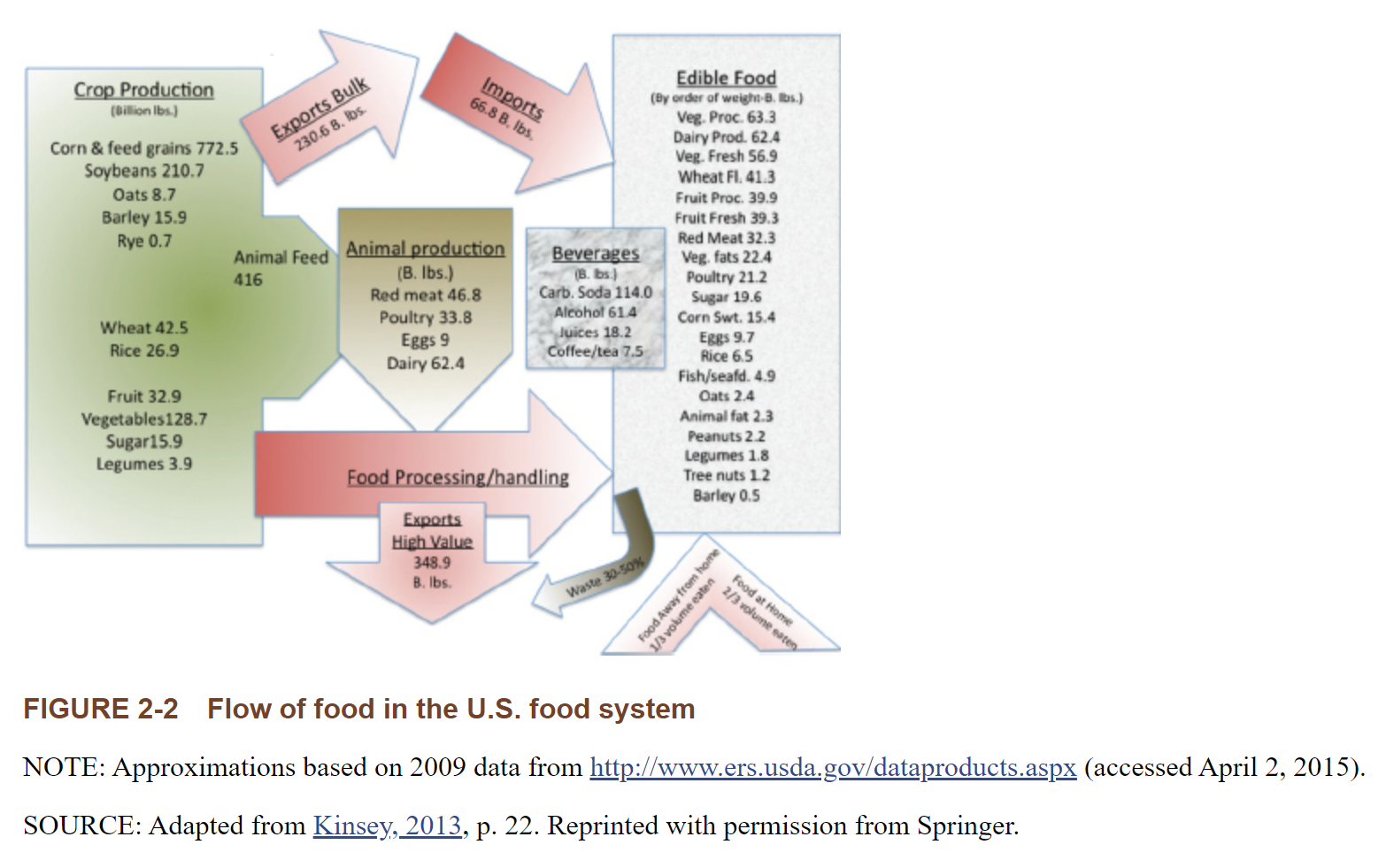
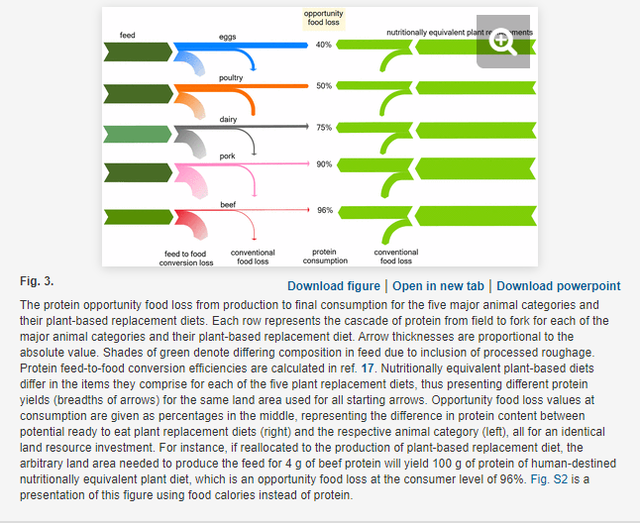
Product | Opportunity food loss (%) | Calculated ratio of plant-based protein output to animal protein output per land area | Billion Pounds of animal products produced | Weighted average ratio | Choose Region | Choose Year
Eggs | 40 | 1.7 | 10.77216 | 5.2167832168 | 山东 | 2020
Poultry | 50 | 2 | 7.99904
Dairy | 75 | 4 | 5.41184 | billion pounds to 10k ton
Pork | 90 | 10 | 6.0704 | 0.0224
Beef | 96 | 25 | 2.09888

